DEWATA COCONUT (Coconut)
DATE | INV NO. | DESCRIPTIONS | QTY | BILLS | PRICE | TOTAL | Rp1,870,000
2026-03-02 | 13742 | COCONUT LOGO | 20 | 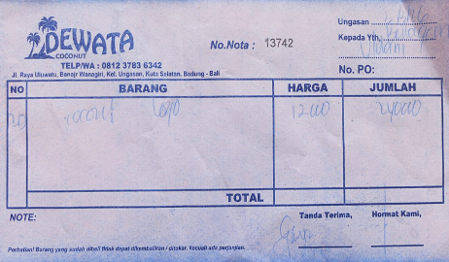 | IDR 12,000 | IDR 240,000
2026-03-06 | 13320 | COCONUT LOGO | 20 | 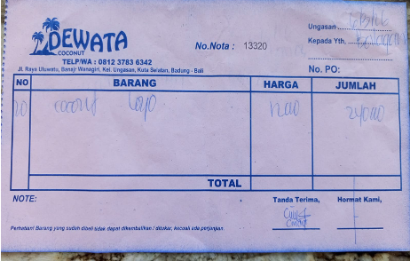 | IDR 12,000 | IDR 240,000
2026-03-09 | 13298 | COCONUT LOGO | 10 | 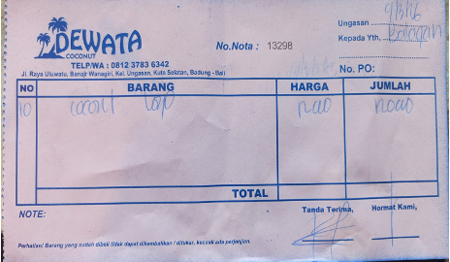 | IDR 12,000 | IDR 120,000
2026-03-11 | 13505 | COCONUT LOGO | 10 | 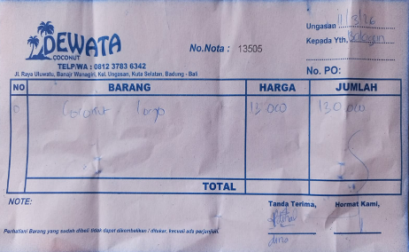 | IDR 13,000 | IDR 130,000
2026-03-13 | 13575 | COCONUT LOGO | 10 | 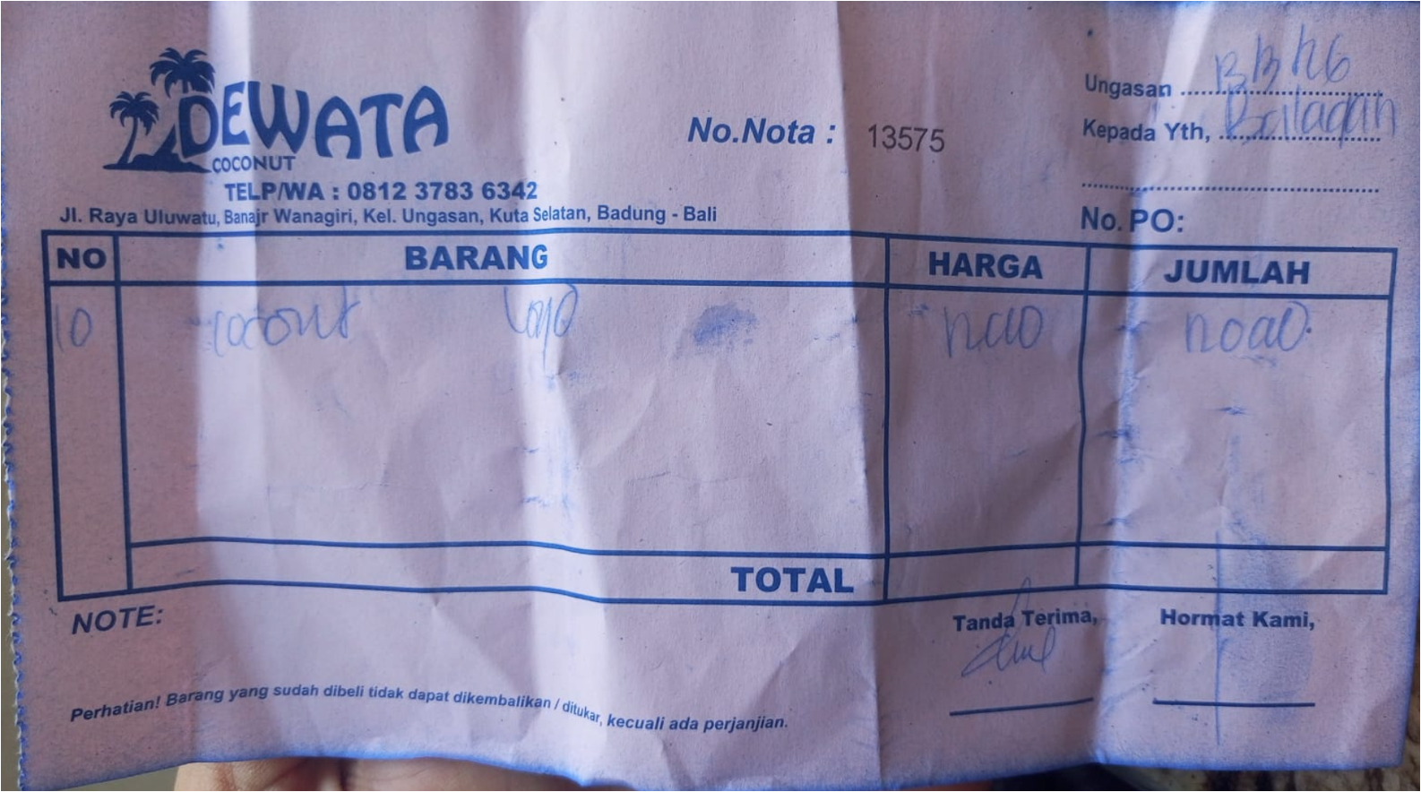 | IDR 12,000 | IDR 120,000
2026-03-15 | 13711 | COCONUT LOGO | 10 | 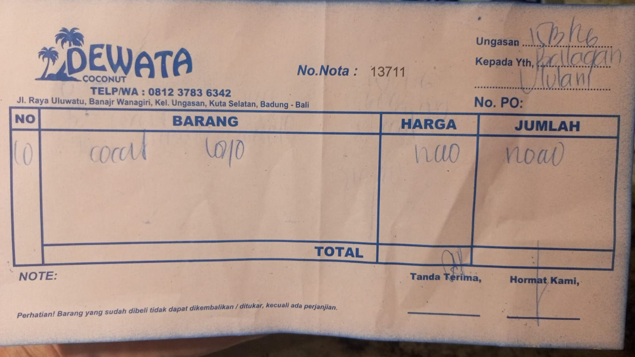 | IDR 12,000 | IDR 120,000
2026-03-17 | 13619 | COCONUT LOGO | 50 | 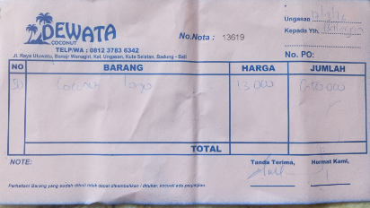 | IDR 13,000 | IDR 650,000
2026-03-25 | 13784 | COCONUT LOGO | 10 | 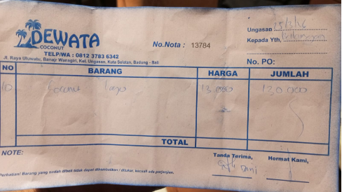 | IDR 13,000 | IDR 130,000
2026-03-29 | 13149 | COCONUT LOGO | 10 | 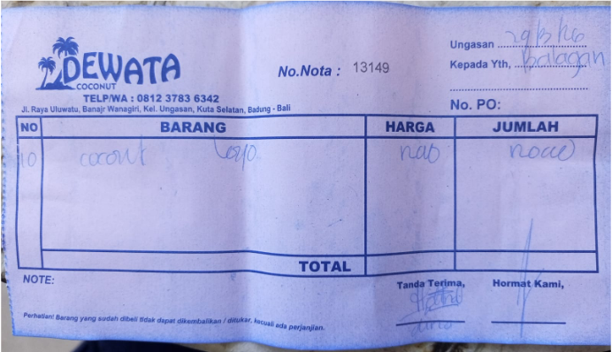 | IDR 12,000 | IDR 120,000

 |  |  |  | Rp1,870,000

